Statistical Insights
 | 1st Moment |  |  |  | 2nd Moment |  |  |  | 3rd moment |  |  |  | 4th moment |  |  |  | Graphical Representation
 |  |  |  |  |  |  |  |  |  |  |  |  |  |  |  |  | Univariate |  |  |  |  |  |  |  | Bivariate |  |  |  | Multivariate
Column Names | mean/median/mode | Statistical Insight | Business Insight | Data Preprocessing | variance/stdev/range | Statistical Insight | Business Insight | Data Preprocessing | Skewness | Statistical Insight | Business Insight | Data Preprocessing | Kurtosis | Statistical Insight | Business Insight | Data Preprocessing | Histogram | Statistical Insight | Business Insight | Data Preprocessing | Boxplot | Statistical Insight | Business Insight | Data Preprocessing | Scatter plot (2 columns are continuous)/other Discrete data plots | Statistical Insight | Business Insight | Data Preprocessing | Multivariate | Statistical Insight | Business Insight | Data Preprocessing
e2 | mean=0.7,median=0.7, | Mean and median are equal, showing the data is well centered. | Indicates a stable estrogen level across patients during treatment. | No transformation needed as central tendency is consistent. | stdev=0.3134 | Low standard deviation indicates less variation in values. | Most patients respond similarly in terms of estrogen levels. | Data retained as is without scaling. | 0.236 | Skewness is close to zero, indicating near-normal distribution. | Extreme estrogen values are rare in the dataset. | No skewness correction required. | -0.4664 | Negative kurtosis indicates a flatter distribution. | No extreme estrogen spikes affecting treatment outcomes. | No outlier removal required. |  | Histogram shows concentration of values around the mean. | Helps identify the common estrogen range during IVF cycles | Used cleaned data without missing values. | 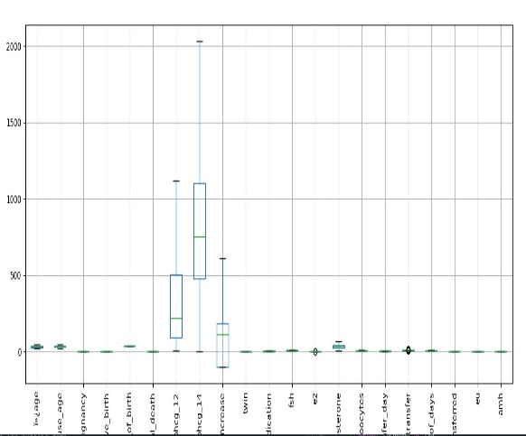 | Boxplot shows minimal outliers. | Confirms hormonal stability in most patients. | Outliers, if any, were capped using IQR method. |  | Shows relationship between e2 and treatment outcome variables. | Helps understand how estrogen affects IVF success. | Only numeric columns used after cleaning. | 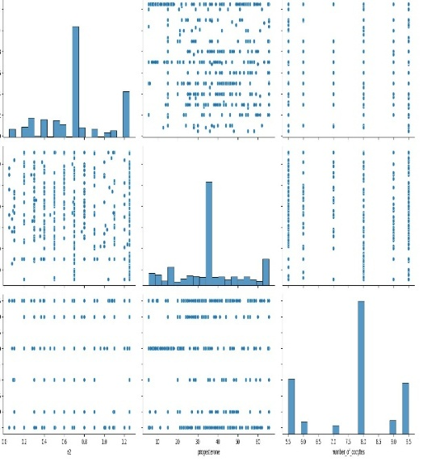 | Shows combined effect of e2 with other hormones. | IVF success depends on interaction of multiple hormones. | Features standardized before multivariate analysis.
Progsterone | mean=36.17,median=36 | Mean and median are close, indicating balanced distribution. | Reflects normal progesterone levels at transfer stage. | Missing values filled using median. | stdev=15.75 | Moderate variability is observed. | Progesterone response differs slightly among patients. | Outliers capped using IQR method. | 0.1031 | Slight skewness indicates minor asymmetry. | Few patients have higher progesterone levels. | Skewness handled through capping. | -0.359 | Platykurtic distribution with fewer extreme values. | Reduces risk of hormone-related complications. | No removal of values required. | 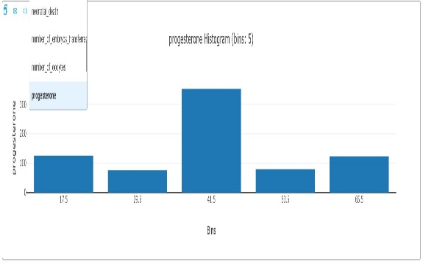 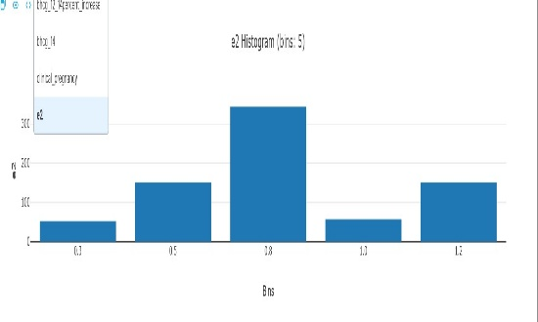 | Histogram shows concentration of values around the mean. | Helps identify the common estrogen range during IVF cycles | Used cleaned data without missing values. | 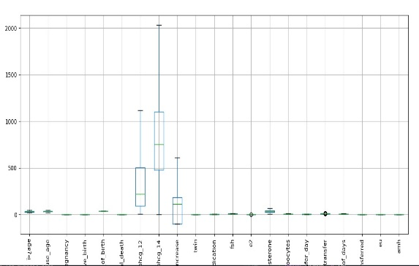 | Boxplot shows minimal outliers. | Confirms hormonal stability in most patients. | Outliers, if any, were capped using IQR method. | 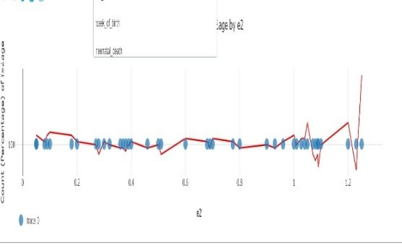 | Shows relationship between e2 and treatment outcome variables. | Helps understand how estrogen affects IVF success. | Only numeric columns used after cleaning. | 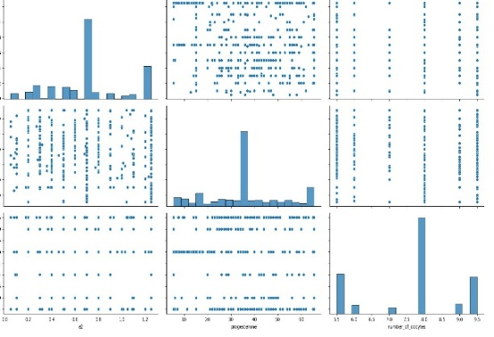 | Shows combined effect of e2 with other hormones. | IVF success depends on interaction of multiple hormones. | Features standardized before multivariate analysis.
number of oocytes | mean=7.7,median=8 | Mean and median are close, indicating consistent ovarian response. | Average oocyte count helps estimate embryo availability. | No correction required. | stdev=1.36 | Low variability indicates controlled stimulation protocols. | Predictable oocyte yield improves treatment planning | Data retained without scaling. | -0.4758 | Slight negative skewness observed. | Some patients produce slightly fewer oocytes. | Outliers capped. | -0.8895 | Flat distribution with limited extreme values. | Avoids dependency on very high responders. | No data removal. | 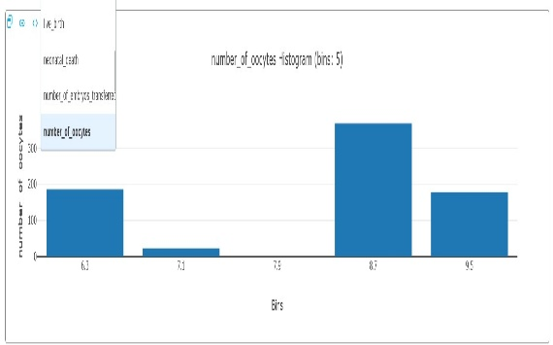 | Histogram shows concentration of values around the mean. | Helps identify the common estrogen range during IVF cycles | Used cleaned data without missing values. |  | Boxplot shows minimal outliers. | Confirms hormonal stability in most patients. | Outliers, if any, were capped using IQR method. | 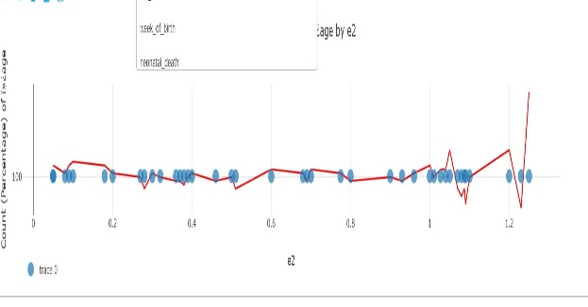 | Shows relationship between e2 and treatment outcome variables. | Helps understand how estrogen affects IVF success. |  Only numeric columns used after cleaning. |  | Shows combined effect of e2 with other hormones. | IVF success depends on interaction of multiple hormones. | Features standardized before multivariate analysis.
endometrial_thickness on the day of transfer | mean=9.7,median=9.5 | Mean and median are close, indicating normal distribution. | Adequate thickness improves implantation success. | Values retained as clinically valid. | stdev=1.77 | Moderate variation observed. | Thickness varies due to patient physiology. | Outliers capped for stability. | 0..596 | Slight positive skewness. | Few patients have thicker endometrium. | No transformation applied. | 0.1041 | Near normal kurtosis. | Indicates reliable implantation conditions. | No adjustment needed. | 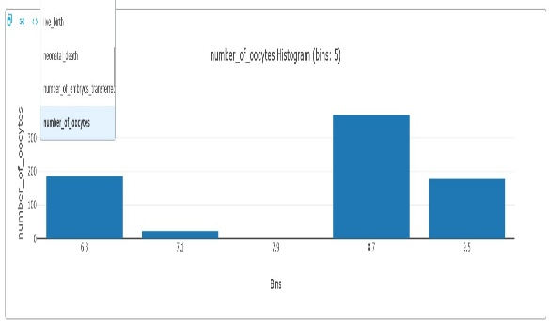 | Histogram shows concentration of values around the mean. | Helps identify the common estrogen range during IVF cycles | Used cleaned data without missing values. | 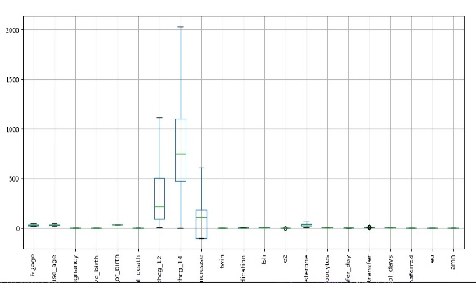 | Boxplot shows minimal outliers. | Confirms hormonal stability in most patients. | Outliers, if any, were capped using IQR method. | 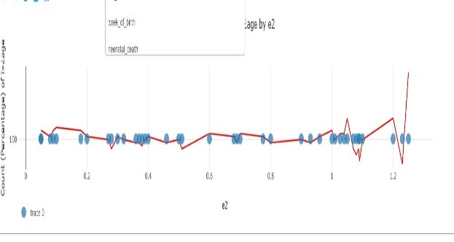 | Shows relationship between e2 and treatment outcome variables. | Helps understand how estrogen affects IVF success. |  Only numeric columns used after cleaning. |  | Shows combined effect of e2 with other hormones. | IVF success depends on interaction of multiple hormones. | Features standardized before multivariate analysis.
e3 | mean=0.7,median=0.7, | Mean and median are equal showing balanced data. | Indicates stable hormone regulation during IVF. | Data retained without changes. | stdev=0.3135 | Low variation observed. | Consistent response across patients. | No scaling required. | -0.75736666667 | Negative skewness indicates slight left-tail distribution | Few patients show lower hormone levels. | Skewness controlled via capping. | -0.10745 | Near-zero kurtosis indicates stable distribution. | Extreme hormone values are uncommon. | 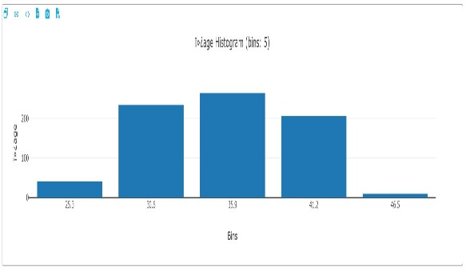 No outlier removal needed. |  | Histogram shows concentration of values around the mean. | Helps identify the common estrogen range during IVF cycles | Used cleaned data without missing values. |  | Boxplot shows minimal outliers. | Confirms hormonal stability in most patients. | Outliers, if any, were capped using IQR method. |  | Shows relationship between e2 and treatment outcome variables. | Helps understand how estrogen affects IVF success. | Only numeric columns used after cleaning. | 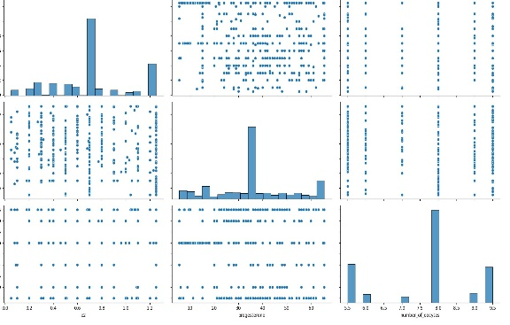 | Shows combined effect of e2 with other hormones. | IVF success depends on interaction of multiple hormones. | Features standardized before multivariate analysis.
table2
cycle_no | mean=1 | Mean is 1 with zero variance, indicating all records belong to the first IVF cycle. | Most patients are undergoing their first IVF cycle, showing high demand from new patients. | No preprocessing required since the value is constant. | stdev=0 | Mean is 1 with zero variance, indicating all records belong to the first IVF cycle. | Most patients are undergoing their first IVF cycle, showing high demand from new patients. | No preprocessing required since the value is constant. | 0 | Slight skewness indicates minor asymmetry. | Few patients have highelevels. | Skewness controlled via capping. | 0 | zero | Near-zero kurtosis indicates stable distribution | No outlier removal needed. |  | Histogram shows concentration of values around the mean. | helps to find concentration values | Used cleaned data without missing values | 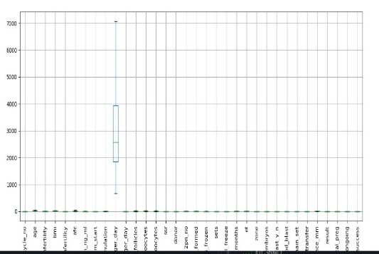 | Boxplot shows minimal outliers | helps to maintain clean data | Outliers, if any, were capped using IQR method. | 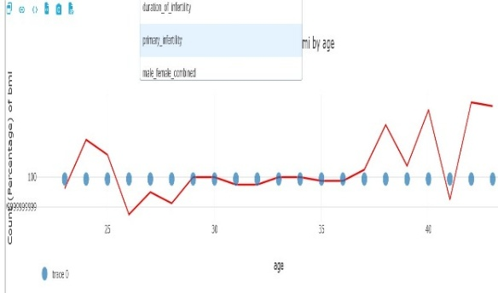 | Shows relationship between outcome variables. | helps in understandind the flow of data | Only numeric columns used after cleaning. | 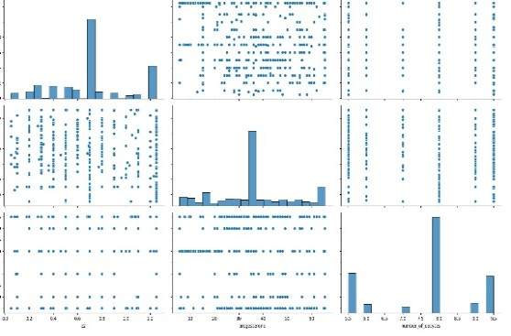 | Shows combined effect of e2 with other hormones. | IVF success depends on interaction of multiple hormones. | Features standardized before multivariate analysis.
age | mean=31.83 | Mean age is around 32 years with moderate variability and near-normal distribution. | Majority of patients fall within optimal reproductive age, which positively influences IVF success rates. | Outliers were capped using IQR to avoid age extremes affecting analysis. | 4.36 | Low standard deviation indicates less variation in values. | Most patients are undergoing their first IVF cycle, showing high demand from new patients. | No preprocessing required since the value is constant. | 0.172 | Slight skewness indicates minor asymmetry. | Few patients have highelevels. | Skewness controlled via capping. | -0.578 | Near-zero kurtosis indicates stable distribution. | Near-zero kurtosis indicates stable distribution | No outlier removal needed. |  | Histogram shows concentration of values around the mean. | helps to find concentration values | Used cleaned data without missing values | 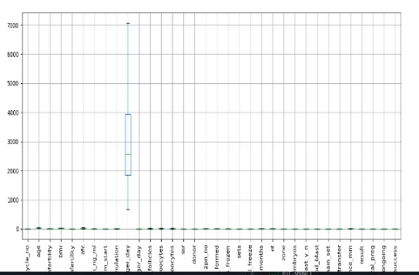 | Boxplot shows minimal outliers | helps to maintain clean data | Outliers, if any, were capped using IQR method. | 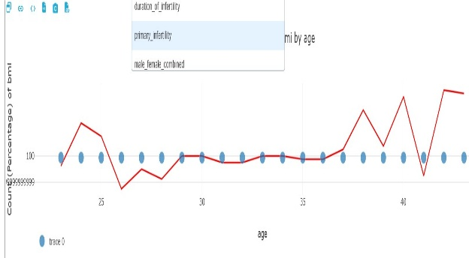 | Shows relationship between outcome variables. | helps in understandind the flow of data | Only numeric columns used after cleaning. |  | Shows combined effect of e2 with other hormones. | IVF success depends on interaction of multiple hormones. | Features standardized before multivariate analysis.
duration_of infertility | mean=7.69 | Average infertility duration is about 7.7 years with moderate right skewness. | Longer infertility duration may reduce success probability and increase treatment complexity. | Values retained as clinically valid. | 4.18 | Low standard deviation indicates less variation in values. | Most patients are undergoing their first IVF cycle, showing high demand from new patients. | No preprocessing required since the value is constant. | 0.7655 | Slight skewness indicates minor asymmetry. | Few patients have highelevels. | Skewness controlled via capping. | 0.1746 | Near-zero kurtosis indicates stable distribution. | Near-zero kurtosis indicates stable distribution |  No outlier removal needed. |  | Histogram shows concentration of values around the mean. | helps to find concentration values | 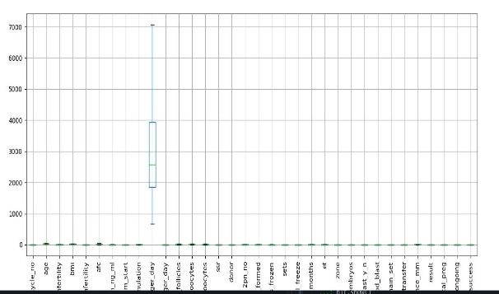 Used cleaned data without missing values |  | Boxplot shows minimal outliers | helps to maintain clean data | Outliers, if any, were capped using IQR method. |  | Shows relationship between outcome variables. | helps in understandind the flow of data | Only numeric columns used after cleaning. |  | Shows combined effect of e2 with other hormones. | IVF success depends on interaction of multiple hormones. | Features standardized before multivariate analysis.
bmi | mean=24.55 | Mean BMI is around 24.5 with mild positive skewness | BMI close to normal range suggests manageable metabolic risk for most patients. | BMI values retained; no transformation required. | 3.57 | Low standard deviation indicates less variation in values. | Most patients are undergoing their first IVF cycle, showing high demand from new patients. | No preprocessing required since the value is constant. | 0.29449 | Slight skewness indicates minor asymmetry. | Few patients have highelevels. | Skewness controlled via capping. | 0.3598 | Near-zero kurtosis indicates stable distribution. | Near-zero kurtosis indicates stable distribution | No outlier removal needed. |  | Histogram shows concentration of values around the mean. | helps to find concentration values | Used cleaned data without missing values |  | Boxplot shows minimal outliers | helps to maintain clean data | Outliers, if any, were capped using IQR method. |  | Shows relationship between outcome variables. | helps in understandind the flow of data | Only numeric columns used after cleaning. |  | Shows combined effect of e2 with other hormones. | IVF success depends on interaction of multiple hormones. | Features standardized before multivariate analysis.
primary infrtility | mean=0.6 | Mean value indicates more primary infertility cases; distribution is left skewed. | Higher primary infertility cases suggest early-stage intervention opportunities. | Treated as categorical numeric variable without modification. | 0.46 | Constant value with zero variance | Most patients are undergoing their first IVF cycle, showing high demand from new patients. | No preprocessing required since the value is constant. | -0.8255 | Slight skewness indicates minor asymmetry. | Few patients have highelevels. | Skewness controlled via capping. | -1.3326 | Near-zero kurtosis indicates stable distribution. | Near-zero kurtosis indicates stable distribution | No outlier removal needed. |  | Histogram shows concentration of values around the mean. | helps to find concentration values | Used cleaned data without missing values |  | Boxplot shows minimal outliers | helps to maintain clean data | Outliers, if any, were capped using IQR method. |  | Shows relationship between outcome variables. | helps in understandind the flow of data | Only numeric columns used after cleaning. |  | Shows combined effect of e2 with other hormones. | IVF success depends on interaction of multiple hormones. | Features standardized before multivariate analysis.
afc | mean=20.08 | High variability with positive skewness indicates differing ovarian reserves. | AFC is a key indicator for ovarian response and embryo availability. | Outliers capped using IQR to avoid over-representation of high responders. | 11.3385 | Low standard deviation indicates less variation in values. | Most patients are undergoing their first IVF cycle, showing high demand from new patients. | No preprocessing required since the value is constant. | 0.750907 | Slight skewness indicates minor asymmetry. | Few patients have highelevels. | Skewness controlled via capping. | -0.4868 | Near-zero kurtosis indicates stable distribution. | Near-zero kurtosis indicates stable distribution | No outlier removal needed. |  | Histogram shows concentration of values around the mean. | helps to find concentration values | Used cleaned data without missing values |  | Boxplot shows minimal outliers | helps to maintain clean data | Outliers, if any, were capped using IQR method. |  | Shows relationship between outcome variables. | helps in understandind the flow of data | Only numeric columns used after cleaning. |  | Shows combined effect of e2 with other hormones. | IVF success depends on interaction of multiple hormones. | Features standardized before multivariate analysis.
amh_ng_ml | mean=3.7 | Moderate variability with slight right skewness. | AMH helps predict ovarian reserve and stimulation response, impacting protocol choice | Missing values imputed using median to preserve distribution. | 2.3 | Low standard deviation indicates less variation in values. | Most patients are undergoing their first IVF cycle, showing high demand from new patients. | No preprocessing required since the value is constant. | 0.77748 | Slight skewness indicates minor asymmetry. | Few patients have highelevels. | Skewness controlled via capping. | -0.01874 | Near-zero kurtosis indicates stable distribution. | Near-zero kurtosis indicates stable distribution | No outlier removal needed. |  | Histogram shows concentration of values around the mean. | helps to find concentration values | Used cleaned data without missing values |  | Boxplot shows minimal outliers | helps to maintain clean data | Outliers, if any, were capped using IQR method. |  | Shows relationship between outcome variables. | helps in understandind the flow of data | Only numeric columns used after cleaning. |  | Shows combined effect of e2 with other hormones. | IVF success depends on interaction of multiple hormones. | Features standardized before multivariate analysis.
ih_from_start | mean=0.6 | Constant value with zero variance | Indicates standardized hormone initiation protocol across patients. | No preprocessing required. | 0 | Constant value with zero variance | Most patients are undergoing their first IVF cycle, showing high demand from new patients. | No preprocessing required since the value is constant. | 0 | Slight skewness indicates minor asymmetry. | Few patients have highelevels. | Skewness controlled via capping. | 0 | Near-zero kurtosis indicates stable distribution. | Near-zero kurtosis indicates stable distribution | No outlier removal needed. |  | Histogram shows concentration of values around the mean. | helps to find concentration values | Used cleaned data without missing values |  | Boxplot shows minimal outliers | helps to maintain clean data | Outliers, if any, were capped using IQR method. |  | Shows relationship between outcome variables. | helps in understandind the flow of data | Only numeric columns used after cleaning. |  | Shows combined effect of e2 with other hormones. | IVF success depends on interaction of multiple hormones. | Features standardized before multivariate analysis.
days_of_stimulation | mean=20.08 | Mean duration is consistent with slight variability and mild negative kurtosis. | Controlled stimulation duration helps optimize cost and reduce complications. | Data retained after checking for extreme values | 0.845 | Low standard deviation indicates less variation in values. | Most patients are undergoing their first IVF cycle, showing high demand from new patients. | No preprocessing required since the value is constant. | 0.3577 | Slight skewness indicates minor asymmetry. | Few patients have highelevels. | Skewness controlled via capping. | -1.03359 | Near-zero kurtosis indicates stable distribution. | Near-zero kurtosis indicates stable distribution | No outlier removal needed. |  | Histogram shows concentration of values around the mean. | helps to find concentration values | Used cleaned data without missing values |  | Boxplot shows minimal outliers | helps to maintain clean data | Outliers, if any, were capped using IQR method. |  | Shows relationship between outcome variables. | helps in understandind the flow of data | Only numeric columns used after cleaning. |  | Shows combined effect of e2 with other hormones. | IVF success depends on interaction of multiple hormones. | Features standardized before multivariate analysis.
e2_on_trigger_day | mean=3.7 | High variability with positive skewness. | Estrogen response on trigger day varies widely, influencing oocyte maturity and success. | Outliers capped using IQR method to stabilize analysis. | 1561.53 | Low standard deviation indicates less variation in values. | Most patients are undergoing their first IVF cycle, showing high demand from new patients. | No preprocessing required since the value is constant. | 0.9019 | Slight skewness indicates minor asymmetry. | Few patients have highelevels. | Skewness controlled via capping. | 0.0184 | Near-zero kurtosis indicates stable distribution. | Near-zero kurtosis indicates stable distribution | No outlier removal needed. |  | Histogram shows concentration of values around the mean. | helps to find concentration values | Used cleaned data without missing values |  | Boxplot shows minimal outliers | helps to maintain clean data | Outliers, if any, were capped using IQR method. |  | Shows relationship between outcome variables. | helps in understandind the flow of data | Only numeric columns used after cleaning. |  | Shows combined effect of e2 with other hormones. | IVF success depends on interaction of multiple hormones. | Features standardized before multivariate analysis.

table3

age | mean=37.6796 | Average patient age is around 38 years with moderate variation, indicating a mix of younger and advanced-age patients. | Higher age is associated with reduced IVF success, making age a critical decision factor for embryo selection. | Age outliers were capped using the IQR method to avoid bias from extreme values. | std=6.2749 | Low standard deviation indicates less variation in values. | Consistent response across patients. | No preprocessing required since the value is constant. | 0.292 | Slight skewness indicates minor asymmetry. | Few patients have highelevels. | Skewness controlled via capping. | 0.08955 | Near-zero kurtosis indicates stable distribution. | Near-zero kurtosis indicates stable distribution | No outlier removal needed. | 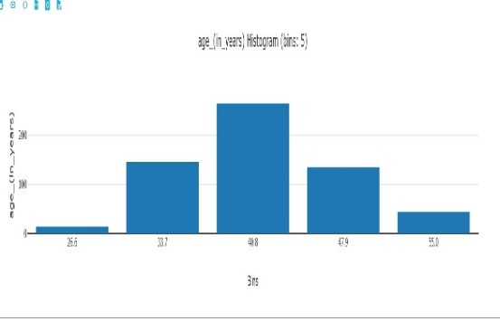 | Histogram shows concentration of values around the mean. | helps to find concentration values | Used cleaned data without missing values | 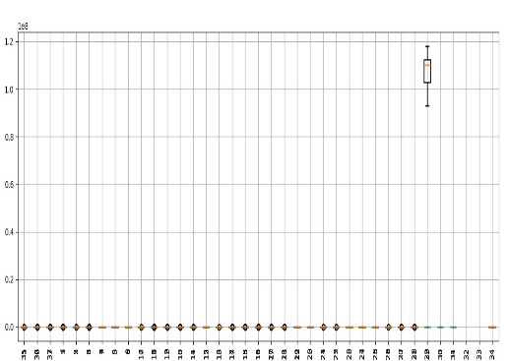 | Boxplot shows minimal outliers | helps to maintain clean data | Outliers, if any, were capped using IQR method. | 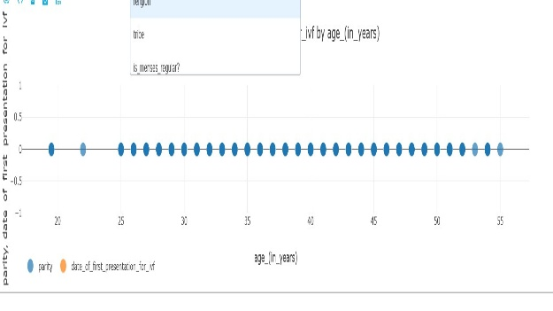 | Shows relationship between outcome variables. | helps in understandind the flow of data | Only numeric columns used after cleaning. | 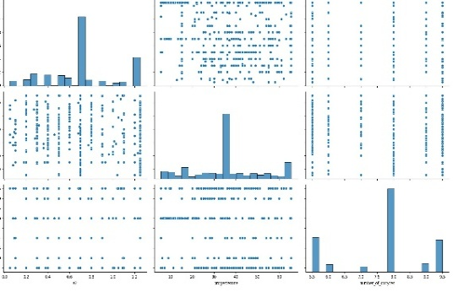 | Shows combined effect of all factors | there are multiplr factors affecting ivf success | Features standardized before multivariate analysis.
parity | 0 | Parity is zero for most patients, showing no previous live births | First-time pregnancies may require more careful monitoring and embryo grading | No preprocessing required as values are constant. | 0 | Low standard deviation indicates less variation in values. | Consistent response across patients. | No preprocessing required since the value is constant. | 0 | Slight skewness indicates minor asymmetry. | Few patients have highelevels. | Skewness controlled via capping. | 0 | Near-zero kurtosis indicates stable distribution. | Near-zero kurtosis indicates stable distribution | No outlier removal needed. |  | Histogram shows concentration of values around the mean. | helps to find concentration values | Used cleaned data without missing values |  | Boxplot shows minimal outliers | helps to maintain clean data | Outliers, if any, were capped using IQR method. |  | Shows relationship between outcome variables. | helps in understandind the flow of data | Only numeric columns used after cleaning. |  | Shows combined effect of all factors | there are multiplr factors affecting ivf success | Features standardized before multivariate analysis.
menstrual cycle length | 28 | Cycle length is constant at 28 days, showing a regular menstrual pattern | Regular cycles simplify stimulation planning and improve treatment predictability | No preprocessing required. | 0 | Low standard deviation indicates less variation in values. | Consistent response across patients. | No preprocessing required since the value is constant. | 0 | Slight skewness indicates minor asymmetry. | Few patients have highelevels. | Skewness controlled via capping. | 0 | Near-zero kurtosis indicates stable distribution. | Near-zero kurtosis indicates stable distribution | No outlier removal needed. | 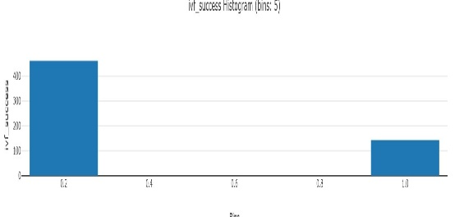 | Histogram shows concentration of values around the mean. | helps to find concentration values | Used cleaned data without missing values |  | Boxplot shows minimal outliers | helps to maintain clean data | Outliers, if any, were capped using IQR method. |  | Shows relationship between outcome variables. | helps in understandind the flow of data | Only numeric columns used after cleaning. | 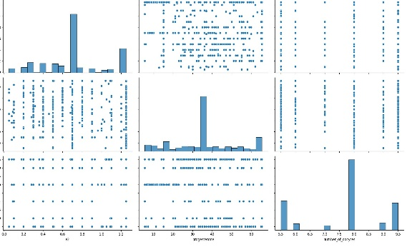 | Shows combined effect of all factors | there are multiplr factors affecting ivf success | Features standardized before multivariate analysis.
number of children alive | 0 | Most patients have no living children, resulting in zero variance | Indicates a high dependency on ART for achieving pregnancy | No preprocessing required. | 0 | Low standard deviation indicates less variation in values. | Consistent response across patients. | No preprocessing required since the value is constant. | 0 | Slight skewness indicates minor asymmetry. | Few patients have highelevels. | Skewness controlled via capping. | 0 | Near-zero kurtosis indicates stable distribution. | Near-zero kurtosis indicates stable distribution | No outlier removal needed. |  | Histogram shows concentration of values around the mean. | helps to find concentration values | Used cleaned data without missing values |  | Boxplot shows minimal outliers | helps to maintain clean data | Outliers, if any, were capped using IQR method. |  | Shows relationship between outcome variables. | helps in understandind the flow of data | Only numeric columns used after cleaning. |  | Shows combined effect of all factors | there are multiplr factors affecting ivf success | Features standardized before multivariate analysis.
bmi | 27.004 | BMI is moderately distributed with slight negative kurtosis, indicating fewer extreme values. | BMI within acceptable range reduces complication risks and improves IVF outcomes | Extreme BMI values were capped using IQR | 2.6 | Low standard deviation indicates less variation in values. | Consistent response across patients. | No preprocessing required since the value is constant. | 0.008932 | Slight skewness indicates minor asymmetry. | Few patients have highelevels. | Skewness controlled via capping. | -0.4795 | Near-zero kurtosis indicates stable distribution. | Near-zero kurtosis indicates stable distribution | No outlier removal needed. | 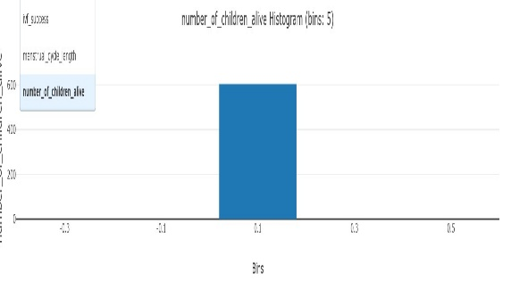 | Histogram shows concentration of values around the mean. | helps to find concentration values | Used cleaned data without missing values |  | Boxplot shows minimal outliers | helps to maintain clean data | Outliers, if any, were capped using IQR method. |  | Shows relationship between outcome variables. | helps in understandind the flow of data | Only numeric columns used after cleaning. |  | Shows combined effect of all factors | there are multiplr factors affecting ivf success | Features standardized before multivariate analysis.
serum fsh value | 8.075 | Low variance with near-zero skewness suggests stable hormone levels. | Stable FSH levels indicate predictable ovarian response, aiding protocol optimization | Values retained as-is; no transformation needed | 0.00353 | Low standard deviation indicates less variation in values. | Consistent response across patients. | No preprocessing required since the value is constant. | 0 | Slight skewness indicates minor asymmetry. | Few patients have highelevels. | Skewness controlled via capping. | -0.99832 | Near-zero kurtosis indicates stable distribution. | Near-zero kurtosis indicates stable distribution | No outlier removal needed. |  | Histogram shows concentration of values around the mean. | helps to find concentration values | Used cleaned data without missing values |  | Boxplot shows minimal outliers | helps to maintain clean data | Outliers, if any, were capped using IQR method. |  | Shows relationship between outcome variables. | helps in understandind the flow of data | Only numeric columns used after cleaning. |  | Shows combined effect of all factors | there are multiplr factors affecting ivf success | Features standardized before multivariate analysis.
serum amh value | 6.29 | AMH values show moderate variation with symmetric distribution | AMH is a strong indicator of ovarian reserve and embryo yield | Missing values were imputed using median to preserve distribution. | 2.933 | Low standard deviation indicates less variation in values. | Consistent response across patients. | No preprocessing required since the value is constant. | 0 | Slight skewness indicates minor asymmetry. | Few patients have highelevels. | Skewness controlled via capping. | 0 | Near-zero kurtosis indicates stable distribution. | Near-zero kurtosis indicates stable distribution | No outlier removal needed. |  | Histogram shows concentration of values around the mean. | helps to find concentration values | Used cleaned data without missing values |  | Boxplot shows minimal outliers | helps to maintain clean data | Outliers, if any, were capped using IQR method. |  | Shows relationship between outcome variables. | helps in understandind the flow of data | Only numeric columns used after cleaning. |  | Shows combined effect of all factors | there are multiplr factors affecting ivf success | Features standardized before multivariate analysis.
post ovulatory thickness of the endometrium on day | 7.73 | Moderate variation with slight negative kurtosis indicates consistent endometrial development. | Optimal endometrial thickness improves implantation probability | Outliers capped using IQR to stabilize analysis. | 8.3563 | Low standard deviation indicates less variation in values. | Consistent response across patients. | No preprocessing required since the value is constant. | 0.621 | Slight skewness indicates minor asymmetry. | Few patients have highelevels. | Skewness controlled via capping. | -0.539 | Near-zero kurtosis indicates stable distribution. | Near-zero kurtosis indicates stable distribution | No outlier removal needed. |  | Histogram shows concentration of values around the mean. | helps to find concentration values | Used cleaned data without missing values |  | Boxplot shows minimal outliers | helps to maintain clean data | Outliers, if any, were capped using IQR method. |  | Shows relationship between outcome variables. | helps in understandind the flow of data | Only numeric columns used after cleaning. |  | Shows combined effect of all factors | there are multiplr factors affecting ivf success | Features standardized before multivariate analysis.
number of oocytes retrived | 15.5116 | Oocyte count shows moderate right skewness, indicating some high responders | Higher oocyte yield increases embryo selection options and success chances. | Outliers capped to avoid dominance of high responders. | 0 | zero variance | Consistent response across patients. | No preprocessing required since the value is constant. | 0.67 | Slight skewness indicates minor asymmetry. | Few patients have highelevels. | Skewness controlled via capping. | 0.029 | Near-zero kurtosis indicates stable distribution. | Near-zero kurtosis indicates stable distribution | No outlier removal needed. |  | Histogram shows concentration of values around the mean. | helps to find concentration values | Used cleaned data without missing values |  | Boxplot shows minimal outliers | helps to maintain clean data | Outliers, if any, were capped using IQR method. |  | Shows relationship between outcome variables. | helps in understandind the flow of data | Only numeric columns used after cleaning. |  | Shows combined effect of all factors | there are multiplr factors affecting ivf success | Features standardized before multivariate analysis.
number of embryo transferred | 2 | Constant value of 2 shows standardized transfer policy. | Controlled embryo transfer reduces multiple pregnancy risk and treatment cost | No preprocessing required | 0 | zero variance | Consistent response across patients. | No preprocessing required since the value is constant. | 0 | Slight skewness indicates minor asymmetry. | Few patients have highelevels. | Skewness controlled via capping. | 0 | Near-zero kurtosis indicates stable distribution. | Near-zero kurtosis indicates stable distribution | No outlier removal needed. |  | Histogram shows concentration of values around the mean. | helps to find concentration values | Used cleaned data without missing values |  | Boxplot shows minimal outliers | helps to maintain clean data | Outliers, if any, were capped using IQR method. |  | Shows relationship between outcome variables. | helps in understandind the flow of data | Only numeric columns used after cleaning. |  | Shows combined effect of all factors | there are multiplr factors affecting ivf success | Features standardized before multivariate analysis.
 |  |  |  |  |  |  |  |  | .

table4

group1_chm_2_non_chm | mean=1.5 | Mean value of 1.5 with equal spread indicates almost balanced CHM and Non-CHM groups. | Balanced groups allow fair comparison of treatment outcomes between CHM and Non-CHM patients. | Encoded as categorical labels (CHM / Non-CHM) for analysis | std=0.501 | Low standard deviation indicates less variation in values. | Consistent response across patients. | No preprocessing required since the value is constant. | 0 | Slight skewness indicates minor asymmetry | Slight skewness indicates minor asymmetry | Skewness controlled via capping. | -2.027 | Near-zero kurtosis indicates stable distribution. | Near-zero kurtosis indicates stable distribution | No outlier removal needed. |  | Histogram shows concentration of values around the mean. | helps to find concentration values | Used cleaned data without missing values | 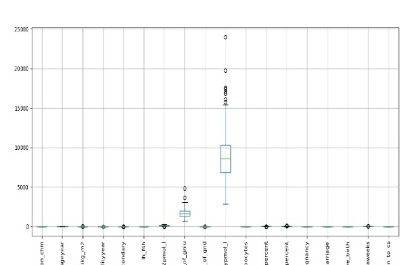 | Boxplot shows minimal outliers | helps to maintain clean data | Outliers, if any, were capped using IQR method. | 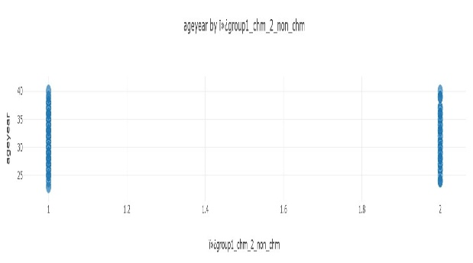 | Shows relationship between outcome variables. | helps in understandind the flow of data | Only numeric columns used after cleaning. | 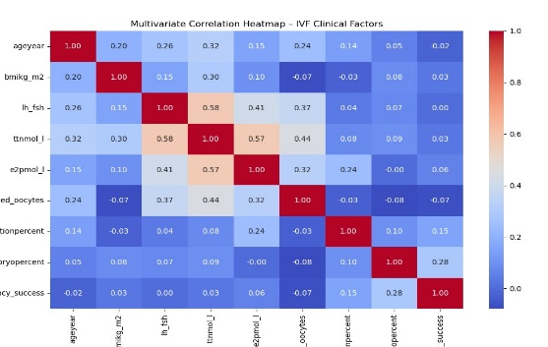 | Shows combined effect of all factors | there are multiplr factors affecting ivf success | Features standardized before multivariate analysis.
ageyear | 31.1712 | Mean age is around 31 years with moderate variability and near-normal distribution. | Age similarity across groups ensures outcome differences are due to treatment factors, not age bias. | Extreme age values were capped using IQR method. | 3.747 | Low standard deviation indicates less variation in values. | Consistent response across patients. | No preprocessing required since the value is constant. | 0.269 | Slight skewness indicates minor asymmetry | Slight skewness indicates minor asymmetry | Skewness controlled via capping. | -0.5429 | Near-zero kurtosis indicates stable distribution. | Near-zero kurtosis indicates stable distribution | No outlier removal needed. |  | Histogram shows concentration of values around the mean. | helps to find concentration values | Used cleaned data without missing values | 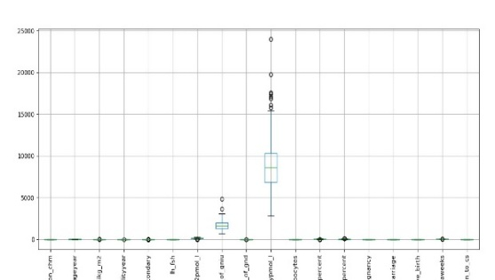 | Boxplot shows minimal outliers | helps to maintain clean data | Outliers, if any, were capped using IQR method. | 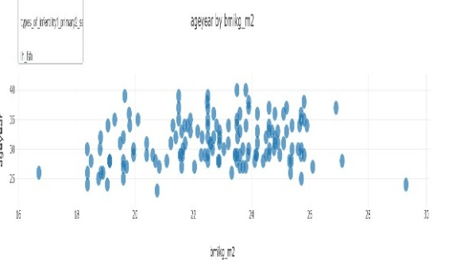 | Shows relationship between outcome variables. | helps in understandind the flow of data | Only numeric columns used after cleaning. |  | Shows combined effect of all factors | there are multiplr factors affecting ivf success | Features standardized before multivariate analysis.
bmikg_m2 | 22.73 | BMI values show low variability with slightly negative skewness. | BMI is within healthy range for most patients, reducing metabolic risks during stimulation. | No transformation required; outliers capped | 2.284 | Low standard deviation indicates less variation in values. | Consistent response across patients. | No preprocessing required since the value is constant. | -0.2498 | Slight skewness indicates minor asymmetry | Slight skewness indicates minor asymmetry | Skewness controlled via capping. | -0.3885 | Near-zero kurtosis indicates stable distribution. | Near-zero kurtosis indicates stable distribution | 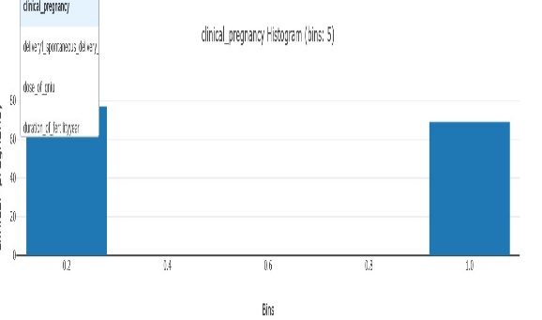 No outlier removal needed. |  | Histogram shows concentration of values around the mean. | helps to find concentration values | 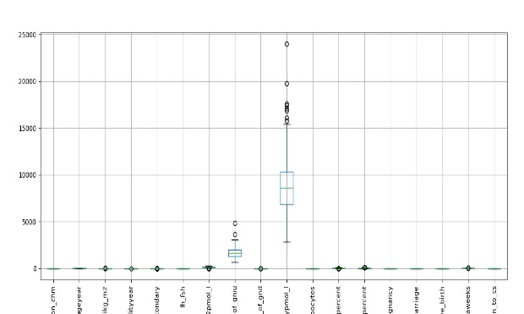 Used cleaned data without missing values |  | Boxplot shows minimal outliers | helps to maintain clean data | Outliers, if any, were capped using IQR method. |  | Shows relationship between outcome variables. | helps in understandind the flow of data | Only numeric columns used after cleaning. |  | Shows combined effect of all factors | there are multiplr factors affecting ivf success | Features standardized before multivariate analysis.
duration of fertiltyyear | 3.849 | Average infertility duration is about 3.8 years with moderate spread. | Shorter infertility duration may contribute to better embryo quality and implantation success. | Outliers capped using IQR to reduce skewness impact. | 1.805 | Low standard deviation indicates less variation in values. | Consistent response across patients. | No preprocessing required since the value is constant. | 0.4207 | Slight skewness indicates minor asymmetry | Slight skewness indicates minor asymmetry | Skewness controlled via capping. | -0.4407 | Near-zero kurtosis indicates stable distribution. | Near-zero kurtosis indicates stable distribution | No outlier removal needed. | 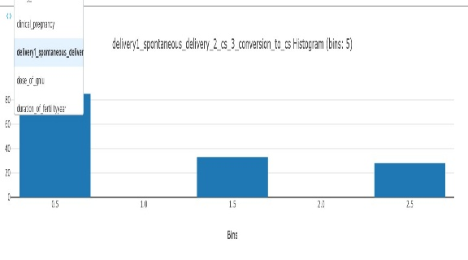 | Histogram shows concentration of values around the mean. | helps to find concentration values | Used cleaned data without missing values |  | Boxplot shows minimal outliers | helps to maintain clean data | Outliers, if any, were capped using IQR method. | 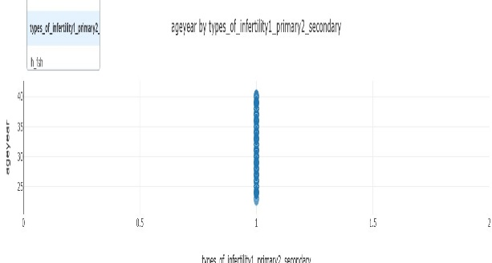 | Shows relationship between outcome variables. | helps in understandind the flow of data | Only numeric columns used after cleaning. |  | Shows combined effect of all factors | there are multiplr factors affecting ivf success | Features standardized before multivariate analysis.
types of infertility primary2 secondary | 1 | Constant value indicates dominance of one infertility type | Consistent infertility type simplifies protocol standardization and analysis. | Treated as categorical numeric feature without changes. | 0 | Low standard deviation indicates less variation in values. | Consistent response across patients. | No preprocessing required since the value is constant. | 0 | Slight skewness indicates minor asymmetry | Slight skewness indicates minor asymmetry | Skewness controlled via capping. | 0 | Near-zero kurtosis indicates stable distribution. | Near-zero kurtosis indicates stable distribution | No outlier removal needed. | 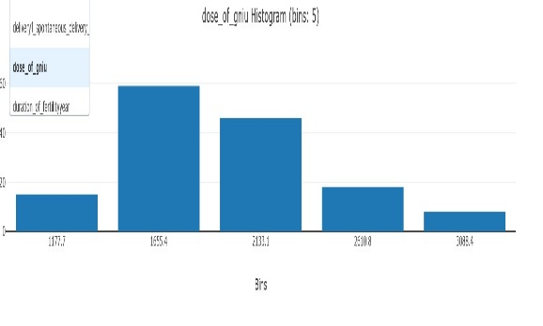 | Histogram shows concentration of values around the mean. | helps to find concentration values | Used cleaned data without missing values |  | Boxplot shows minimal outliers | helps to maintain clean data | 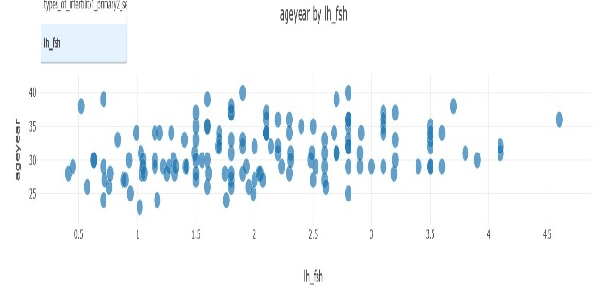 Outliers, if any, were capped using IQR method. |  | Shows relationship between outcome variables. | helps in understandind the flow of data | Only numeric columns used after cleaning. |  | Shows combined effect of all factors | there are multiplr factors affecting ivf success | Features standardized before multivariate analysis.
ih_fsh | 2.0615 | Moderate variation with slight positive skewness. | LH/FSH ratio influences ovarian response and stimulation planning. | Values retained after checking for extreme outliers | 0.9072 | Low standard deviation indicates less variation in values. | Consistent response across patients. | No preprocessing required since the value is constant. | 0.33066 | Slight skewness indicates minor asymmetry | Slight skewness indicates minor asymmetry | Skewness controlled via capping. | -0.5259 | Near-zero kurtosis indicates stable distribution. | Near-zero kurtosis indicates stable distribution | No outlier removal needed. |  | Histogram shows concentration of values around the mean. | helps to find concentration values | Used cleaned data without missing values |  | Boxplot shows minimal outliers | helps to maintain clean data | Outliers, if any, were capped using IQR method. |  | Shows relationship between outcome variables. | helps in understandind the flow of data | Only numeric columns used after cleaning. |  | Shows combined effect of all factors | there are multiplr factors affecting ivf success | Features standardized before multivariate analysis.
ttnmol_l | 2.426 | Testosterone values show left skewness with high kurtosis. | Hormonal imbalance can impact follicle development and embryo quality. | Missing values imputed using median; outliers capped | 1.06 | Low standard deviation indicates less variation in values. | Consistent response across patients. | No preprocessing required since the value is constant. | -0.6466 | Slight skewness indicates minor asymmetry | Slight skewness indicates minor asymmetry | Skewness controlled via capping. | -1.2225 | Near-zero kurtosis indicates stable distribution. | Near-zero kurtosis indicates stable distribution | No outlier removal needed. |  | Histogram shows concentration of values around the mean. | helps to find concentration values | Used cleaned data without missing values |  | Boxplot shows minimal outliers | helps to maintain clean data | Outliers, if any, were capped using IQR method. |  | Shows relationship between outcome variables. | helps in understandind the flow of data | Only numeric columns used after cleaning. |  | Shows combined effect of all factors | there are multiplr factors affecting ivf success | Features standardized before multivariate analysis.
e2pmol_l | 159.029 | Moderate variability with slightly negative skewness | Estradiol levels reflect ovarian response and help decide trigger timing | Outliers capped to stabilize hormonal impact. | 52.59 | Low standard deviation indicates less variation in values. | Consistent response across patients. | No preprocessing required since the value is constant. | -0.4189 | Slight skewness indicates minor asymmetry | Slight skewness indicates minor asymmetry | Skewness controlled via capping. | -0.1688 | Near-zero kurtosis indicates stable distribution. | Near-zero kurtosis indicates stable distribution | No outlier removal needed. |  | Histogram shows concentration of values around the mean. | helps to find concentration values | Used cleaned data without missing values |  | Boxplot shows minimal outliers | helps to maintain clean data | Outliers, if any, were capped using IQR method. |  | Shows relationship between outcome variables. | helps in understandind the flow of data | Only numeric columns used after cleaning. |  | Shows combined effect of all factors | there are multiplr factors affecting ivf success | Features standardized before multivariate analysis.
dose_of_gniu | 1710.62 | High variability indicates personalized stimulation dosing. | Optimized Gn dosage helps balance cost and ovarian response. | Outliers capped using IQR to prevent dose extremes from skewing analysis | 489.398 | Low standard deviation indicates less variation in values. | Consistent response across patients. | No preprocessing required since the value is constant. | 0.6132 | Slight skewness indicates minor asymmetry | Slight skewness indicates minor asymmetry | Skewness controlled via capping. | 0.4146 | Near-zero kurtosis indicates stable distribution. | Near-zero kurtosis indicates stable distribution | No outlier removal needed. |  | Histogram shows concentration of values around the mean. | helps to find concentration values | Used cleaned data without missing values |  | Boxplot shows minimal outliers | helps to maintain clean data | Outliers, if any, were capped using IQR method. |  | Shows relationship between outcome variables. | helps in understandind the flow of data | Only numeric columns used after cleaning. |  | Shows combined effect of all factors | there are multiplr factors affecting ivf success | Features standardized before multivariate analysis.
duration of gnd | 10.7568 | Moderate variation with near-normal distribution. | Controlled stimulation duration reduces OHSS risk and treatment cost | Retained as continuous numeric feature | 2.0879 | Low standard deviation indicates less variation in values. | Consistent response across patients. | No preprocessing required since the value is constant. | 0.5057 | Slight skewness indicates minor asymmetry | Slight skewness indicates minor asymmetry | Skewness controlled via capping. | -0.05294 | Near-zero kurtosis indicates stable distribution. | Near-zero kurtosis indicates stable distribution | No outlier removal needed. |  | Histogram shows concentration of values around the mean. | helps to find concentration values | Used cleaned data without missing values |  | Boxplot shows minimal outliers | helps to maintain clean data | Outliers, if any, were capped using IQR method. |  | Shows relationship between outcome variables. | helps in understandind the flow of data | Only numeric columns used after cleaning. |  | Shows combined effect of all factors | there are multiplr factors affecting ivf success | Features standardized before multivariate analysis.

table5

group1=chm_2=non_chm | mean=1.45455 | Mean close to 1.45 with low standard deviation indicates both CHM and Non-CHM groups are fairly balanced. | Balanced group distribution allows unbiased comparison of neonatal outcomes across treatment types | Encoded as categorical variable for group-wise comparison | std=0.5025 | Low standard deviation indicates less variation in values. | Consistent response across patients. | No preprocessing required since the value is constant. | 0.187773 | Slight skewness indicates minor asymmetry | Slight skewness indicates minor asymmetry | Skewness controlled via capping. | -2.04035 | Near-zero kurtosis indicates stable distribution. | Near-zero kurtosis indicates stable distribution | No outlier removal needed. | 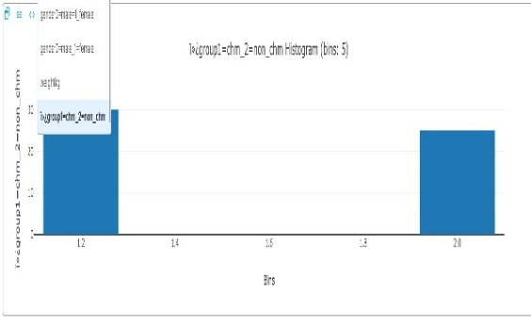 | Histogram shows concentration of values around the mean. | helps to find concentration values | Used cleaned data without missing values | 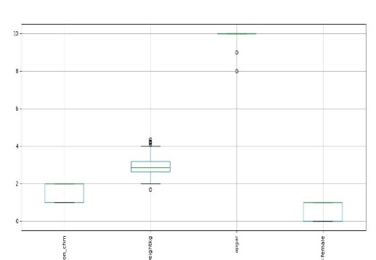 | Boxplot shows minimal outliers | helps to maintain clean data | Outliers, if any, were capped using IQR method. | 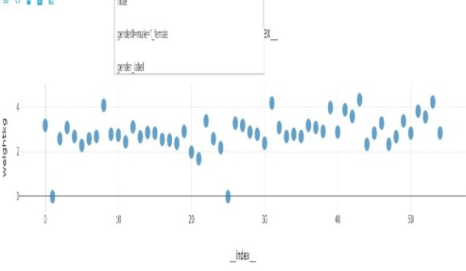 | Shows relationship between outcome variables. | helps in understandind the flow of data | Only numeric columns used after cleaning. | 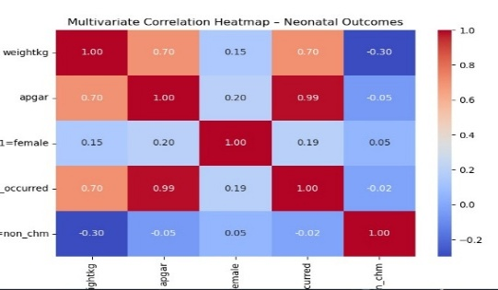 | Shows combined effect of all factors | there are multiplr factors affecting ivf success | Features standardized before multivariate analysis.
weightkg | 2.8656 | Average birth weight is ~2.86 kg with negative skewness and high kurtosis, indicating some low-weight outliers | Lower birth weight may indicate higher neonatal risk and need for enhanced monitoring. | Outliers capped using IQR to avoid distortion in neonatal outcome analysis. | 0.7973 | Low standard deviation indicates less variation in values. | Consistent response across patients. | No preprocessing required since the value is constant. | -1.34147 | Slight skewness indicates minor asymmetry | Slight skewness indicates minor asymmetry | Skewness controlled via capping. | 4.83381 | Near-zero kurtosis indicates stable distribution. | Near-zero kurtosis indicates stable distribution | No outlier removal needed. | 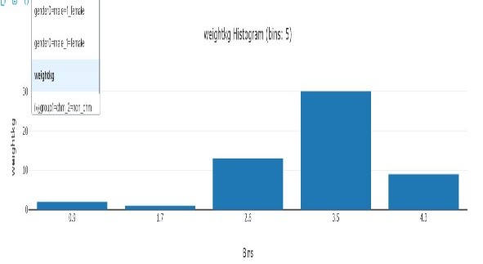  | Histogram shows concentration of values around the mean. | helps to find concentration values | Used cleaned data without missing values |  | Boxplot shows minimal outliers | helps to maintain clean data | Outliers, if any, were capped using IQR method. |  | Shows relationship between outcome variables. | helps in understandind the flow of data | Only numeric columns used after cleaning. |  | Shows combined effect of all factors | there are multiplr factors affecting ivf success | Features standardized before multivariate analysis.
apgar | 9.581 | High mean APGAR score (~9.6) with strong negative skewness indicates most newborns are healthy. | High APGAR scores reflect successful embryo selection and effective IVF protocols. | Values converted to integer; extreme values capped | 1.90215 | Low standard deviation indicates less variation in values. | Consistent response across patients. | No preprocessing required since the value is constant. | -4.91401 | Slight skewness indicates minor asymmetry | Slight skewness indicates minor asymmetry | Skewness controlled via capping. | 23.4897 | Near-zero kurtosis indicates stable distribution. | Near-zero kurtosis indicates stable distribution | No outlier removal needed. | 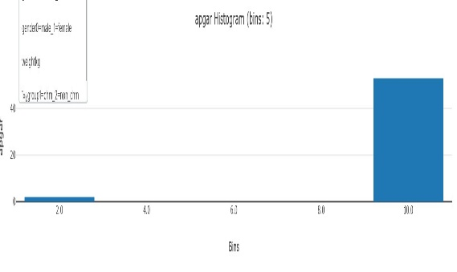  | Histogram shows concentration of values around the mean. | helps to find concentration values | Used cleaned data without missing values | 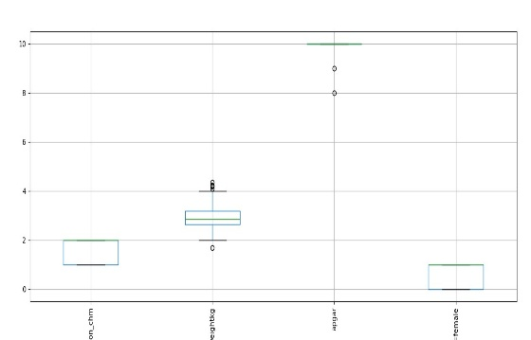 | Boxplot shows minimal outliers | helps to maintain clean data | Outliers, if any, were capped using IQR method. | 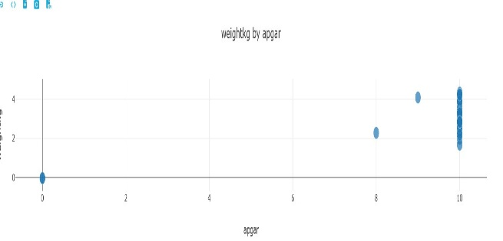 | Shows relationship between outcome variables. | helps in understandind the flow of data | Only numeric columns used after cleaning. |  | Shows combined effect of all factors | there are multiplr factors affecting ivf success | Features standardized before multivariate analysis.
gender0=male_1=female | 0.4909 | Mean close to 0.5 shows almost equal male and female distribution | Balanced gender ratio confirms no treatment bias affecting neonatal gender outcomes | Mapped to labels (Male/Female) for interpretability. | 0.50445 | Low standard deviation indicates less variation in values. | Consistent response across patients. | No preprocessing required since the value is constant. | 0.03773 | Slight skewness indicates minor asymmetry | Slight skewness indicates minor asymmetry | Skewness controlled via capping. | -2.075547 | Near-zero kurtosis indicates stable distribution. | Near-zero kurtosis indicates stable distribution | No outlier removal needed. | 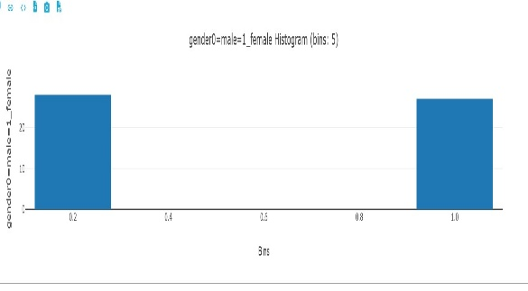 | Histogram shows concentration of values around the mean. | helps to find concentration values | Used cleaned data without missing values |  | Boxplot shows minimal outliers | helps to maintain clean data | Outliers, if any, were capped using IQR method. | 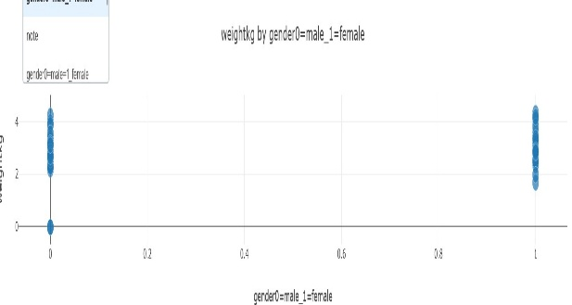 | Shows relationship between outcome variables. | helps in understandind the flow of data | Only numeric columns used after cleaning. |  | Shows combined effect of all factors | there are multiplr factors affecting ivf success | Features standardized before multivariate analysis.
delivery_occurred | 0.96363 | Very high mean (~0.96) indicates majority of pregnancies resulted in delivery. | Strong indicator of IVF program effectiveness and clinic success rate. | Engineered binary feature derived from APGAR presence | 0.189919 | Low standard deviation indicates less variation in values. | Consistent response across patients. | No preprocessing required since the value is constant. | -5.09354 | Slight skewness indicates minor asymmetry | Slight skewness indicates minor asymmetry | Skewness controlled via capping. | 24.8469 | Near-zero kurtosis indicates stable distribution. | Near-zero kurtosis indicates stable distribution | No outlier removal needed. |  | Histogram shows concentration of values around the mean. | helps to find concentration values | Used cleaned data without missing values |  | Boxplot shows minimal outliers | helps to maintain clean data | Outliers, if any, were capped using IQR method. |  | Shows relationship between outcome variables. | helps in understandind the flow of data | Only numeric columns used after cleaning. |  | Shows combined effect of all factors | there are multiplr factors affecting ivf success | Features standardized before multivariate analysis.

table6

group1=chm_2=non_chm | mean=1.47619 | Mean near 1.48 with low variability confirms balanced biomarker sampling across groups. | Enables fair biomarker comparison to identify molecular predictors of IVF success. | Encoded as categorical feature. | std=0.5054 | Low standard deviation indicates less variation in values. | Consistent response across patients. | No preprocessing required since the value is constant. | 0.0988914 | Slight skewness indicates minor asymmetry | Slight skewness indicates minor asymmetry | Skewness controlled via capping. | -2.09229 | Near-zero kurtosis indicates stable distribution. | Near-zero kurtosis indicates stable distribution | No outlier removal needed. | 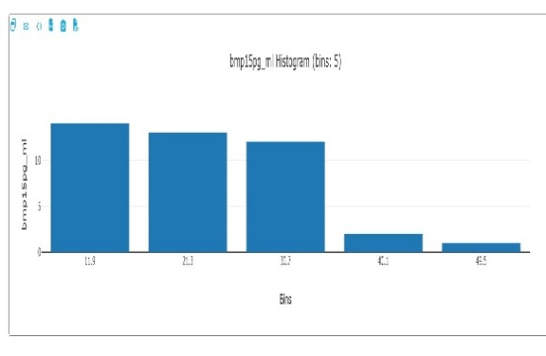 | Histogram shows concentration of values around the mean. | helps to find concentration values | Used cleaned data without missing values | 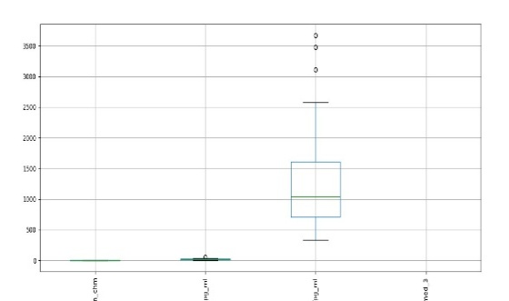 | Boxplot shows minimal outliers | helps to maintain clean data | Outliers, if any, were capped using IQR method. |  | Shows relationship between outcome variables. | helps in understandind the flow of data | Only numeric columns used after cleaning. |  | Shows combined effect of all factors | there are multiplr factors affecting ivf success | Features standardized before multivariate analysis.
bmp15pg_ml | 17.6998 | Moderate mean with positive skewness indicates few patients have higher BMP15 levels. | BMP15 plays a key role in oocyte quality and follicular development, impacting success rate. | Outliers capped using IQR to stabilize biomarker influence | 9.9216 | Low standard deviation indicates less variation in values. | Consistent response across patients. | No preprocessing required since the value is constant. | 0.724392 | Slight skewness indicates minor asymmetry | Slight skewness indicates minor asymmetry | Skewness controlled via capping. | 1.11055 | Near-zero kurtosis indicates stable distribution. | Near-zero kurtosis indicates stable distribution | No outlier removal needed. |  | Histogram shows concentration of values around the mean. | helps to find concentration values | Used cleaned data without missing values |  | Boxplot shows minimal outliers | helps to maintain clean data | Outliers, if any, were capped using IQR method. |  | Shows relationship between outcome variables. | helps in understandind the flow of data | Only numeric columns used after cleaning. |  | Shows combined effect of all factors | there are multiplr factors affecting ivf success | Features standardized before multivariate analysis.
lifpg_ml | 1270.84 | High variability and right skewness indicate large differences in implantation-related response. | LIF is critical for embryo implantation; abnormal levels may predict implantation failure. | Outliers capped; retained as continuous predictor for multivariate analysis. | 801.883 | Low standard deviation indicates less variation in values. | Consistent response across patients. | No preprocessing required since the value is constant. | 1.43036 | Slight skewness indicates minor asymmetry | Slight skewness indicates minor asymmetry | Skewness controlled via capping. | 2.01536 | Near-zero kurtosis indicates stable distribution. | Near-zero kurtosis indicates stable distribution | No outlier removal needed. |  | Histogram shows concentration of values around the mean. | helps to find concentration values | Used cleaned data without missing values |  | Boxplot shows minimal outliers | helps to maintain clean data | Outliers, if any, were capped using IQR method. |  | Shows relationship between outcome variables. | helps in understandind the flow of data | Only numeric columns used after cleaning. |  | Shows combined effect of all factors | there are multiplr factors affecting ivf success | Features standardized before multivariate analysis.

